Sheet1
Neural Network Laboratory Experiment 4 Output
S.No. | Configuration | Activation function(hidden layer) | Loss Curve Accuracy Curve | Test Accuracy(%) | Confusion Matrix | Execution time(seconds)
1 | Configuration 1: Hiddenn layers : 256 | ReLU | 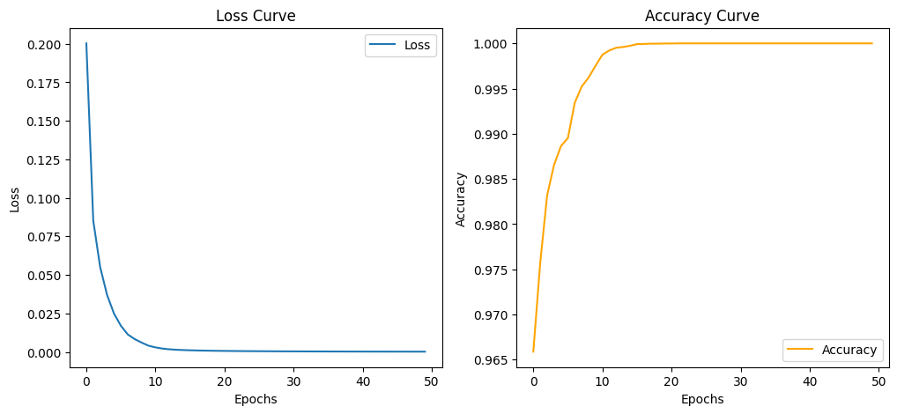 | 98.35% | 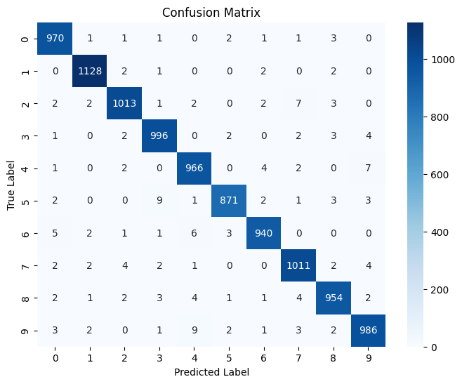 | 2990.97
2 | Configuration 2: Hiddenn layers : 128 | ReLU | 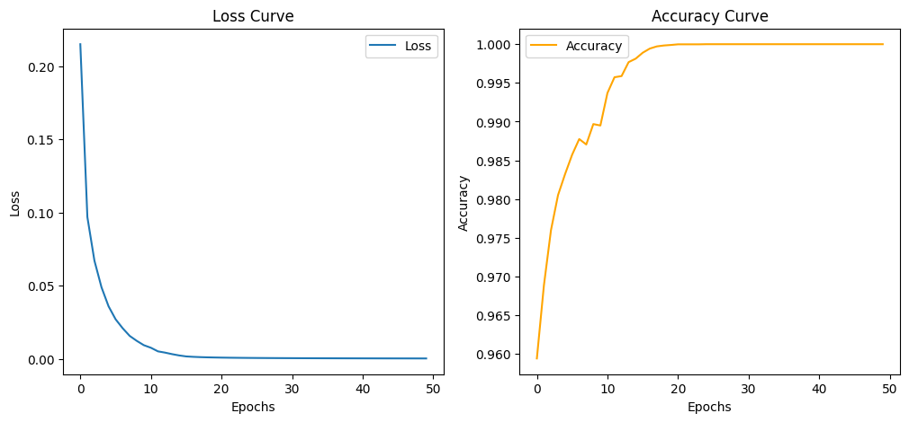 | 98.16% | 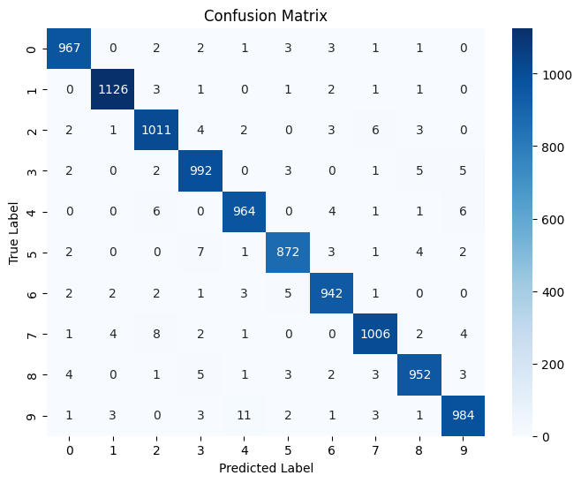 | 3223.82
3 | Configuration 3: Hiddenn layers: 64 | ReLU | 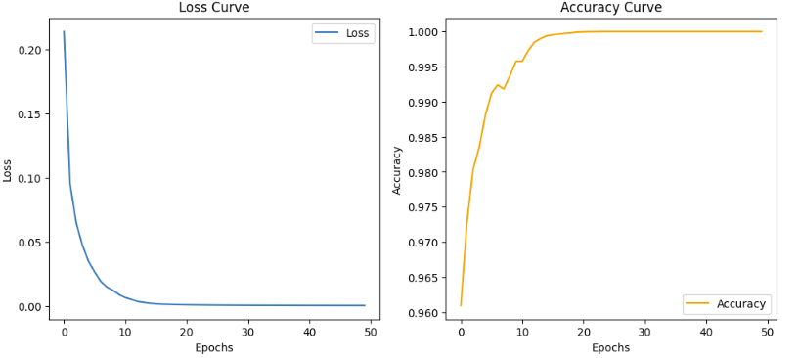 | 98.05% | 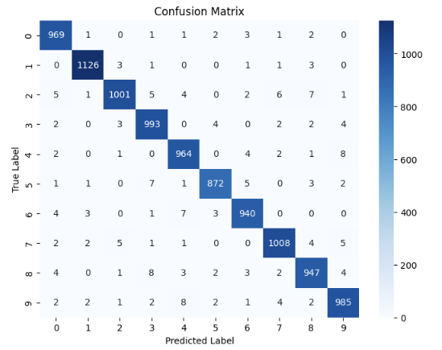 | 2908.42
4 | Configuration 4: Hiddenn layers: 256 | Sigmoid | 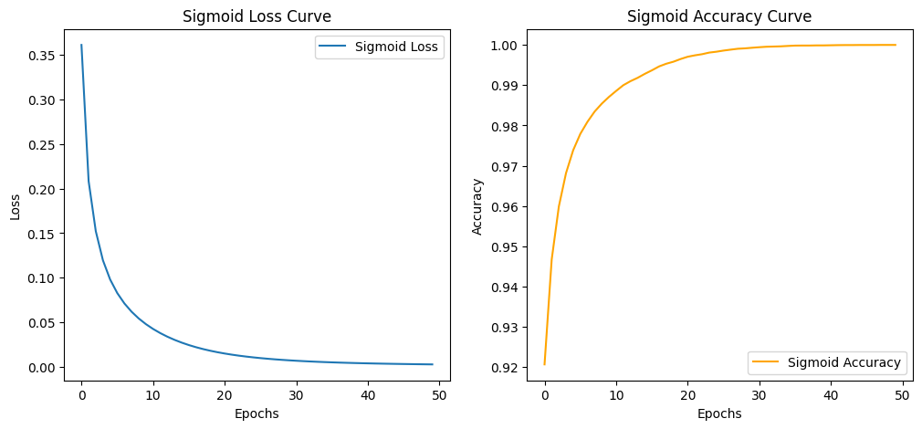 | 98.14% |  | 2847.16
5 | Configuration 5: Hiddenn layers: 128 | Sigmoid | 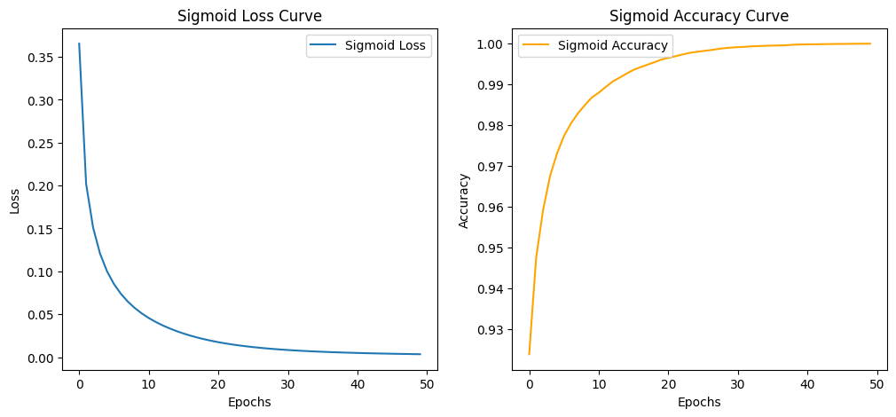 | 98.04% |  | 2950.38
6 | Configuration 6: Hiddenn layers : 64 | Sigmoid | 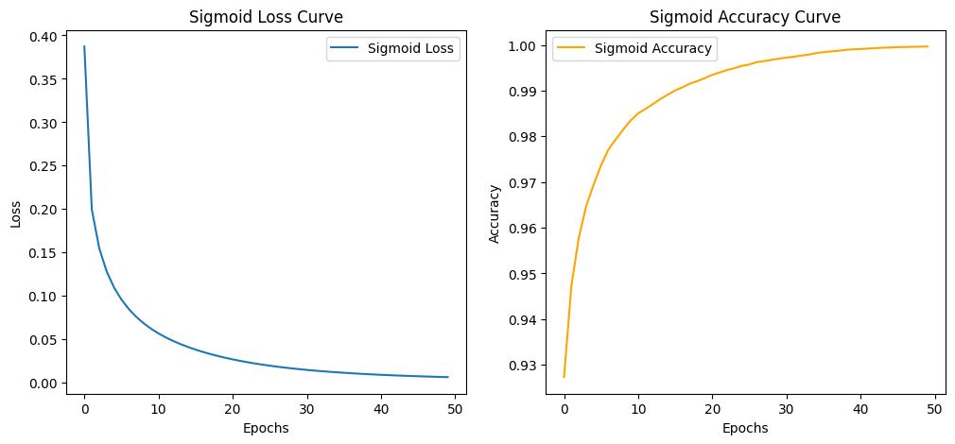 | 97.52% |  | 2617.29
7 | Configuration 7: Hiddenn layers : 256 | Tanh | 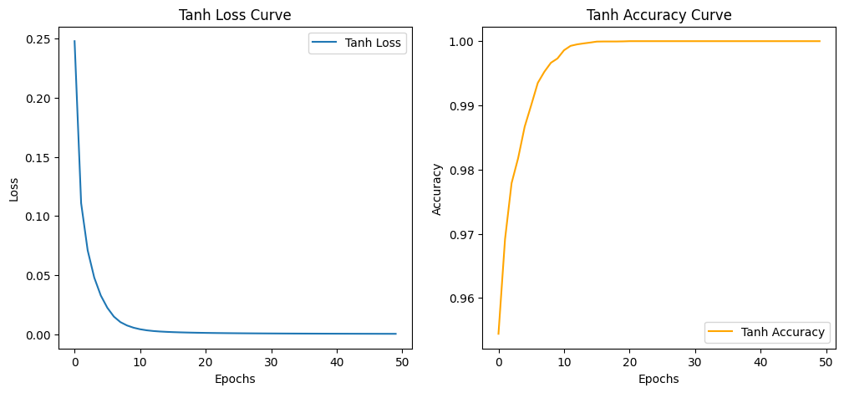 | 98.16% |  | 5564.17
8 | Configuration 8: Hiddenn layers : 128 | Tanh |  | 97.89% |  | 4095.75
9 | Configuration 9: Hiddenn layers : 64 | Tanh |  | 97.36% |  | 20206.22

